FULLSHEET
 |  |  |  |  |  |  |  |  |  |  |  | CELL NAME

 |  |  |  |  |  |  |  |  |  |  |  | OEE FORM

 |  |  |  |  |  |  |  |  |  |  |  |  |  |  |  |  |  |  |  |  |  |  |  | MO ID: |  |  |  |  | j |  |  | MO ID: |  |  |  |  | k
 |  |  |  |  |  |  |  |  |  |  |  |  |  |  |  |  |  |  |  |  |  |  |  | PREFIX |  | LAST 3 DIGITS |  |  | CAVS USED |  |  | PREFIX |  | LAST 3 DIGITS |  |  | CAVS USED
 |  |  |  |  |  |  |  |  |  |  |  | Overall Equipment Effectiveness |  |  |  |  |  |  |  |  |  |  |  | ORI |  | i | i | i | i | i | i | ORI |  | i | i | i | i | i | i
Please complete these forms using a BLACK MARKER AND REMOVE ERRORS WITH A WHITE/SILVER MARKER.
 |  |  |  |  |  |  |  |  |  |  |  |  |  |  |  |  |  |  |  |  |  |  |  | IAO |  | j | j | j | j | j | j | IAO |  | j | j | j | j | j | j
 |  |  |  |  |  |  |  |  |  |  |  |  |  |  |  |  |  |  |  |  |  |  |  | MCS |  | k | k | k | k | k | k | MCS |  | k | k | k | k | k | k
 |  |  |  |  |  |  |  |  |  |  |  |  |  |  |  |  |  |  |  |  |  |  |  | SIL |  | l | l | l | l | l | l | SIL |  | l | l | l | l | l | l
 |  |  |  |  |  |  |  |  |  |  |  |  |  |  |  |  |  |  |  |  |  |  |  | SEA |  | m | m | m | m | m | m | SEA |  | m | m | m | m | m | m
EXAMPLE: 6 AM – 7AM
MO ID: 1
NUMBER OF LIFTS: 3
MAJOR DOWNTIME: ENGINEERING ISSUES
 |  |  |  |  |  |  |  |  |  |  |  |  |  |  |  |  |  |  |  |  |  |  |  | BON |  | n | n | n | n | n | n | BON |  | n | n | n | n | n | n
 |  |  |  |  |  |  |  |  |  |  |  |  |  |  |  |  |  |  |  |  |  |  |  | BOM |  | o | o | o | o | o | o | BOM |  | o | o | o | o | o | o
 |  |  |  |  |  |  |  |  |  |  |  |  |  |  |  |  |  |  |  |  |  |  |  | CMO |  | p | p | p | p | p | p | CMO |  | p | p | p | p | p | p
 |  |  |  |  |  |  |  |  |  |  |  |  |  |  |  |  |  |  |  |  |  |  |  | SFALL |  | q | q | q | q | q | q | SFALL |  | q | q | q | q | q | q
 |  |  |  |  |  |  |  |  |  |  |  |  |  |  |  |  |  |  |  |  |  |  |  | FAIR |  | r | r | r | r | r | r | FAIR |  | r | r | r | r | r | r

Day |  | Month |  | Year |  |  |  | PRESS ID |  |  |  |  |  |  |  |  |  |  |  |  |  |  |  | MO ID: |  |  |  |  | l |  |  | MO ID: |  |  |  |  | m
i | i | Jan |  | 202 | i |  |  | PRESS 1 |  |  |  | PRESS 5 |  |  |  | PRESS 9 |  |  |  | PRESS 13 |  |  |  | PREFIX |  | LAST 3 DIGITS |  |  | CAVS USED |  |  | PREFIX |  | LAST 3 DIGITS |  |  | CAVS USED
j | j | Feb |  | 202 | j |  |  | PRESS 2 |  |  |  | PRESS 6 |  |  |  | PRESS 10 |  |  |  | PRESS 14 |  |  |  | ORI |  | i | i | i | i | i | i | ORI |  | i | i | i | i | i | i
k | k | Mar |  | 202 | k |  |  | PRESS 3 |  |  |  | PRESS 7 |  |  |  | PRESS 11 |  |  |  | PRESS 15 |  |  |  | IAO |  | j | j | j | j | j | j | IAO |  | j | j | j | j | j | j
l | l | Apr |  | 202 | l |  |  | PRESS 4 |  |  |  | PRESS 8 |  |  |  | PRESS 12 |  |  |  | PRESS 16 |  |  |  | MCS |  | k | k | k | k | k | k | MCS |  | k | k | k | k | k | k
 | m | May |  | 202 | m |  |  |  |  |  |  |  |  |  |  |  |  |  |  |  |  |  |  | SIL |  | l | l | l | l | l | l | SIL |  | l | l | l | l | l | l
 | n | Jun |  |  |  |  |  |  |  |  |  |  |  | Downtime Codes |  |  |  |  |  |  |  |  |  | SEA |  | m | m | m | m | m | m | SEA |  | m | m | m | m | m | m
 | o | Jul |  |  |  |  |  |  |  |  |  |  |  | Planned |  |  |  |  | Unplanned |  |  |  |  | BON |  | n | n | n | n | n | n | BON |  | n | n | n | n | n | n
 | p | Aug |  |  |  |  |  |  |  |  |  |  |  | A | Planned Break |  |  |  | C | Part Issues |  |  |  | BOM |  | o | o | o | o | o | o | BOM |  | o | o | o | o | o | o
 | q | Sep |  |  |  |  | Admin |  |  |  |  |  |  | B | No Operator |  |  |  | D | Breakdown |  |  |  | CMO |  | p | p | p | p | p | p | CMO |  | p | p | p | p | p | p
 | r | Oct |  |  |  |  |  |  |  |  |  |  |  |  |  |  |  |  | E | No Material |  |  |  | SFALL |  | q | q | q | q | q | q | SFALL |  | q | q | q | q | q | q
 |  | Nov |  |  |  |  |  |  |  |  |  |  |  |  |  |  |  |  | F | Setup/Warmup |  |  |  | FAIR |  | r | r | r | r | r | r | FAIR |  | r | r | r | r | r | r
 |  | Dec |  |  |  |  |  |  |  |  |  |  |  |  |  |  |  |  | G | Inspection
 |  |  |  |  |  |  |  |  |  |  |  |  |  |  | fill in circles if scrapping lifts

5
10
15
20
25
30
35
40
45
50
55
60
0
5
10
15
20
25
30
35
40
45
50
55
60
0
5
10
15
20
25
30
35
40
45
50
55
60
0
5
10
15
20
25
30
35
40
45
50
55
60
0
5
10
15
20
25
30
35
40
45
50
55
60
0
5
10
15
20
25
30
35
40
45
50
55
60
0
5
10
15
20
25
30
35
40
45
50
55
60
0
5
10
15
20
25
30
35
40
45
50
55
60
0
5
10
15
20
25
30
35
40
45
50
55
60
0
5
10
15
20
25
30
35
40
45
50
55
A
B
C
D
E
F
G
A
B
C
D
E
F
G
HR | MO ID |  |  |  | LIFT COUNTER |  |  |  |  |  |  |  |  |  | SCRAP (lifts or parts) |  |  |  |  |  |  | DOWNTIME (min) |  |  |  |  |  |  |  |  |  |  | DOWNTIME CODE
14 | j | k | l | m |  |  |  |  |  |  |  |  |  |  |  | i | j | k | l | m | n
15 | j | k | l | m |  |  |  |  |  |  |  |  |  |  |  | i | j | k | l | m | n
A
B
C
D
E
F
G
16 | j | k | l | m |  |  |  |  |  |  |  |  |  |  |  | i | j | k | l | m | n
A
B
C
D
E
F
G
17 | j | k | l | m |  |  |  |  |  |  |  |  |  |  |  | i | j | k | l | m | n
A
B
C
D
E
F
G
18 | j | k | l | m |  |  |  |  |  |  |  |  |  |  |  | i | j | k | l | m | n
A
B
C
D
E
F
G
19 | j | k | l | m |  |  |  |  |  |  |  |  |  |  |  | i | j | k | l | m | n
A
B
C
D
E
F
G
20 | j | k | l | m |  |  |  |  |  |  |  |  |  |  |  | i | j | k | l | m | n
A
B
C
D
E
F
G
21 | j | k | l | m |  |  |  |  |  |  |  |  |  |  |  | i | j | k | l | m | n
A
B
C
D
E
F
G
22 | j | k | l | m |  |  |  |  |  |  |  |  |  |  |  | i | j | k | l | m | n
A
B
C
D
E
F
G
23 | j | k | l | m |  |  |  |  |  |  |  |  |  |  |  | i | j | k | l | m | n

print settings
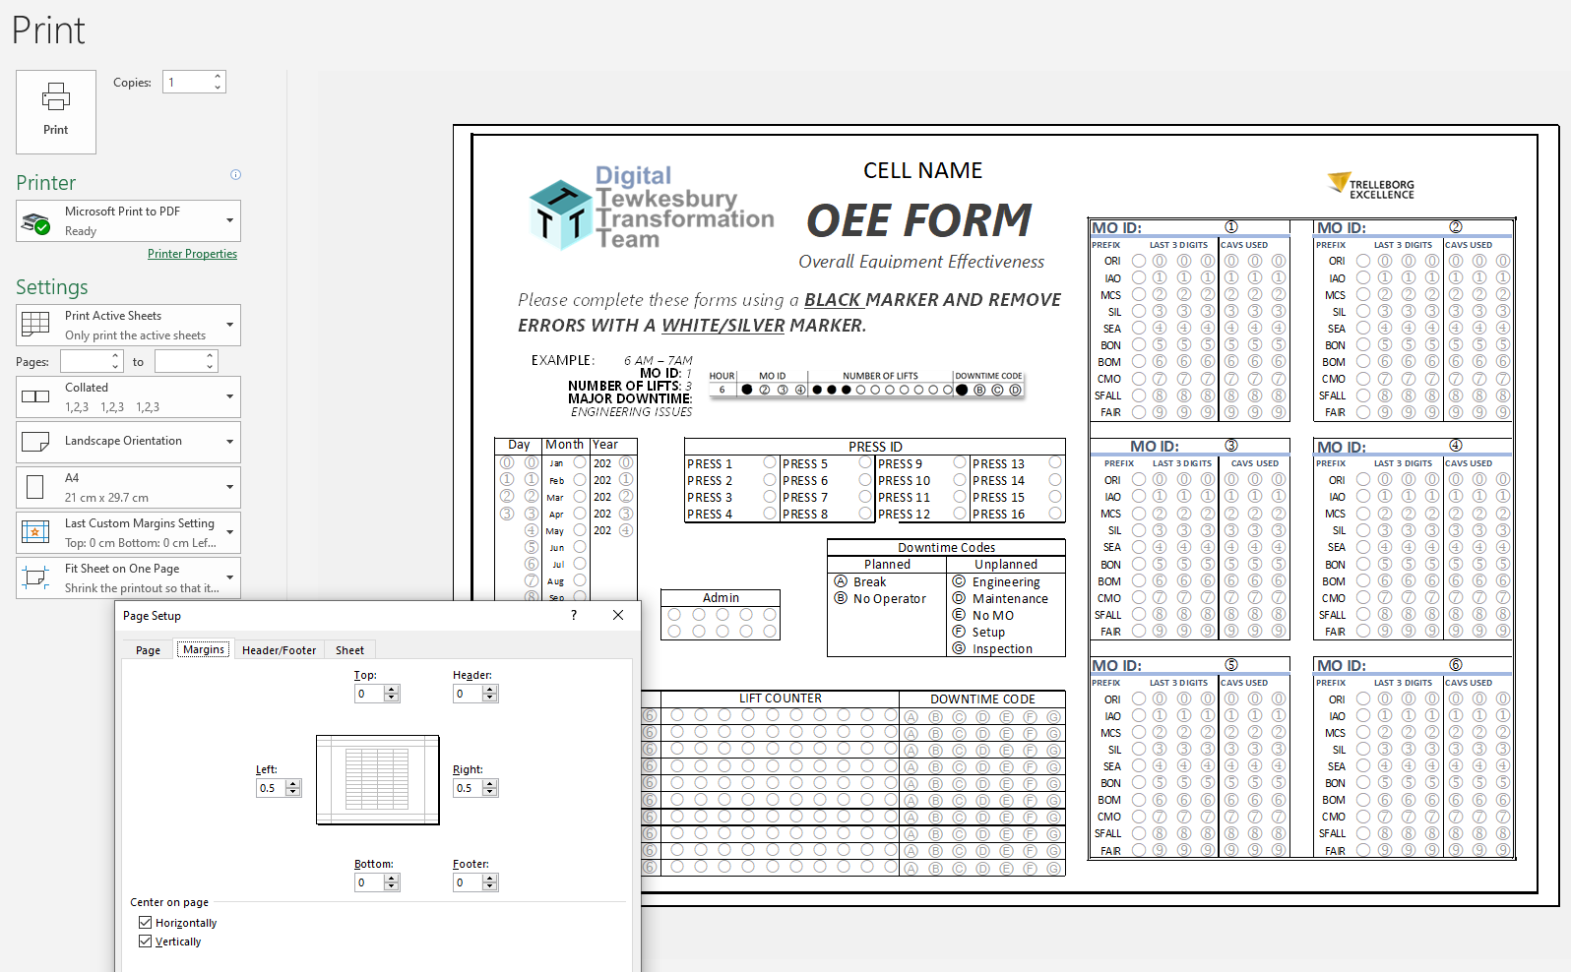

LEFT INDENT FILLED SPOT ON TEMPLATE THAT REPRESENT NUMBERS!

FULLSHEET_blank
 |  |  |  |  |  |  |  |  |  |  |  |  |  |  |  |  |  |  |  |  |  |  |  |  |  |  |  |  |  |  |  |  |  |  |  | 
 |  |  |  |  |  |  |  |  |  |  |  |  |  |  |  |  |  |  |  |  |  |  |  |  |  |  |  |  |  |  |  |  |  |  |  | 
 |  |  |  |  |  |  |  |  |  |  |  |  |  |  |  |  |  |  |  |  |  |  |  |  |  |  |  |  |  |  |  |  |  |  |  | 
 |  |  |  |  |  |  |  |  |  |  |  |  |  |  |  |  |  |  |  |  |  |  |  |  |  |  |  |  |  |  |  |  |  |  |  | 
 |  |  |  |  |  |  |  |  |  |  |  |  |  |  |  |  |  |  |  |  |  |  |  |  |  |  |  |  |  |  |  |  |  |  |  | 
 |  |  |  |  |  |  |  |  |  |  |  |  |  |  |  |  |  |  |  |  |  |  |  |  |  |  |  |  |  |  |  |  |  |  |  | 
 |  |  |  |  |  |  |  |  |  |  |  |  |  |  |  |  |  |  |  |  |  |  |  |  |  |  |  |  |  |  |  |  |  |  |  | 
 |  |  |  |  |  |  |  |  |  |  |  |  |  |  |  |  |  |  |  |  |  |  |  |  |  |  |  |  |  |  |  |  |  |  |  | 
 |  |  |  |  |  |  |  |  |  |  |  |  |  |  |  |  |  |  |  |  |  |  |  |  |  |  |  |  |  |  |  |  |  |  |  | 
 |  |  |  |  |  |  |  |  |  |  |  |  |  |  |  |  |  |  |  |  |  |  |  |  |  |  |  |  |  |  |  |  |  |  |  | 

 |  |  |  |  |  |  |  |  |  |  |  |  |  |  |  |  |  |  |  |  |  | 
 |  |  |  |  |  |  |  |  |  |  |  |  |  |  |  |  |  |  |  |  |  |  |  |  |  |  |  |  |  |  |  |  |  |  |  | 
 |  |  |  |  |  |  |  |  |  |  |  |  |  |  |  |  |  |  |  |  |  |  |  |  |  |  |  |  |  |  |  |  |  |  |  | 
 |  |  |  |  |  |  |  |  |  |  |  |  |  |  |  |  |  |  |  |  |  |  |  |  |  |  |  |  |  |  |  |  |  |  |  | 
 |  |  |  |  |  |  |  |  |  |  |  |  |  |  |  |  |  |  |  |  |  |  |  |  |  |  |  |  |  |  |  |  |  |  |  | 
 |  |  |  |  |  |  |  |  |  |  |  |  |  |  |  |  |  |  |  |  |  |  |  |  |  |  |  |  |  |  |  |  |  |  |  | 
 |  |  |  |  |  |  |  |  |  |  |  |  |  |  |  |  |  |  |  |  |  |  |  |  |  |  |  |  |  |  |  |  |  |  |  | 
 |  |  |  |  |  |  |  |  |  |  |  |  |  |  |  |  |  |  |  |  |  |  |  |  |  |  |  |  |  |  |  |  |  |  |  | 
 |  |  |  |  |  |  |  |  |  |  |  |  |  |  |  |  |  |  |  |  |  |  |  |  |  |  |  |  |  |  |  |  |  |  |  | 
 |  |  |  |  |  |  |  |  |  |  |  |  |  |  |  |  |  |  |  |  |  |  |  |  |  |  |  |  |  |  |  |  |  |  |  | 
 |  |  |  |  |  |  |  |  |  |  |  |  |  |  |  |  |  |  |  |  |  |  |  |  |  |  |  |  |  |  |  |  |  |  |  | 
 |  |  | 

5
10
15
20
25
30
35
40
45
50
55
60
0
5
10
15
20
25
30
35
40
45
50
55
60
0
5
10
15
20
25
30
35
40
45
50
55
60
0
5
10
15
20
25
30
35
40
45
50
55
60
0
5
10
15
20
25
30
35
40
45
50
55
60
0
5
10
15
20
25
30
35
40
45
50
55
60
0
5
10
15
20
25
30
35
40
45
50
55
60
0
5
10
15
20
25
30
35
40
45
50
55
60
0
5
10
15
20
25
30
35
40
45
50
55
60
0
5
10
15
20
25
30
35
40
45
50
55
60
0
 |  |  |  |  |  |  |  |  |  |  |  |  |  |  |  |  |  |  |  |  |  |  |  |  |  |  |  |  |  |  |  |  |  |  |  | 
 |  |  |  |  |  |  |  |  |  |  |  |  |  |  |  |  |  |  |  |  |  |  |  |  |  |  |  |  |  |  |  |  |  |  |  | 
 |  |  |  |  |  |  |  |  |  |  |  |  |  |  |  |  |  |  |  |  |  |  |  |  |  |  |  |  |  |  |  |  |  |  |  | 
 |  |  |  |  |  |  |  |  |  |  |  |  |  |  |  |  |  |  |  |  |  |  |  |  |  |  |  |  |  |  |  |  |  |  |  | 
 |  |  |  |  |  |  |  |  |  |  |  |  |  |  |  |  |  |  |  |  |  |  |  |  |  |  |  |  |  |  |  |  |  |  |  | 
 |  |  |  |  |  |  |  |  |  |  |  |  |  |  |  |  |  |  |  |  |  |  |  |  |  |  |  |  |  |  |  |  |  |  |  | 
 |  |  |  |  |  |  |  |  |  |  |  |  |  |  |  |  |  |  |  |  |  |  |  |  |  |  |  |  |  |  |  |  |  |  |  | 
 |  |  |  |  |  |  |  |  |  |  |  |  |  |  |  |  |  |  |  |  |  |  |  |  |  |  |  |  |  |  |  |  |  |  |  | 
 |  |  |  |  |  |  |  |  |  |  |  |  |  |  |  |  |  |  |  |  |  |  |  |  |  |  |  |  |  |  |  |  |  |  |  | 
 |  |  |  |  |  |  |  |  |  |  |  |  |  |  |  |  |  |  |  |  |  |  |  |  |  |  |  |  |  |  |  |  |  |  |  | 

